READ ME
AUTHOR'S NOTE
The idea of this workbook is to provide a visual tool that illustrates what attributes are being worked on by your players, dependent on the training sessions they particiapte in. This workbook was prepared independently of SI and FM. It is entirely my own interpretation of how I understand the training modules to work and so therefore it may be inaccurate. Please feel free to use the data as you see fit, and share your comments or suggestions for improvements with the FM community. - James / FM Athlete |  |  |  |  |  | Click here to visit my blog page on CoffeehouseFM

HOW IT WORKS | EXAMPLE
The results of each training module were copied from the Training section of FM22 The data was then divided into three focus groups: Goalkeepers, Defenders and Attackers. (Where the focus group is listed as "All" or "Outfield", these were still split into the three core groups) Where an attribute, tactical factor or other impact is listed for that training module, a value of 1 was allocated Where the physical effects are listed for that training module, a value of 0.1 or -0.1 was allocated for 'Slightly Increased' or 'Slightly Reduced', a value of 0.2 or -0.2 for 'Increased' or 'Reduced', and a value of 0.3 or -0.3 for 'Greatly Increased' of 'Greatly Reduced' The numerical value assigned to each impact is then multiplied by the percentage of intensity that corresponds to the unit's particiaption in the session. These numerical values are then totalled on the Training Planner dependent on what sessions are added to the plan, and how many attributes/impacts are affected in the session (i.e. the less atrributes, the more they are affected)
 | 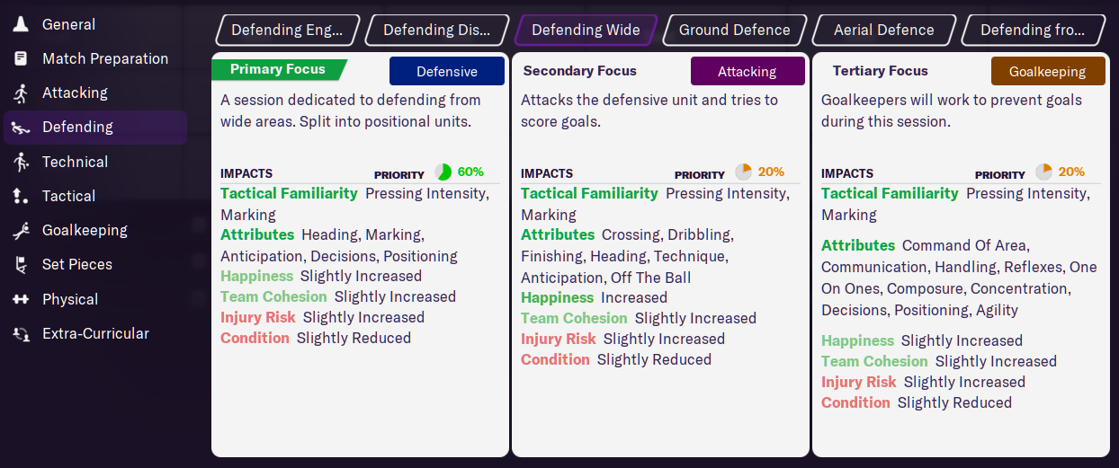
 | Modules | Sessions | Units | % intensity | Impacts | Health

 | All of these impacts are mutliplied by the priority %, in this case by 0.6 for Attackers and 0.2 for Defenders and Goalkeepers

 | CREDITS
 | Thank you to the numerous people from within the FM community that have helped to troubleshoot this Training Planner over the years. Special mention to Mikhaelinho, Pedroig, Kertiek, Hovis Dexter and any others who have shared feedback or spotted mistakes, it's greatly appreicated.

